Trajectories k-space
 |  | NUFFT Gridded K-Space
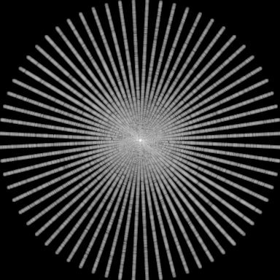

NUDFT K-Space
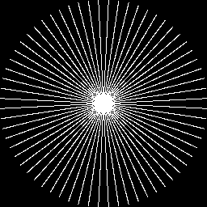

 | ➜

 | Gridding Transform

Trajectory K-space Sample locat
 |  |  |  | K-Space Sampling Locations Comparison

Cartesian |  |  |  | Random |  |  | Radial |  |  |  | Spiral
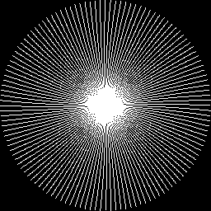



Sampling = | 25% |  |  | Sampling = | 25% |  | Sampling = | 25% |  |  | Sampling = | 25%
 |  |  |  |  |  |  | Spokes = | 64 |  |  | Turns = | 4
 |  |  |  |  |  |  | SpS = | 256 |  |  | Interleafs = | 32
 |  | Spiral |  |  |  | VDC |  |  | VDR

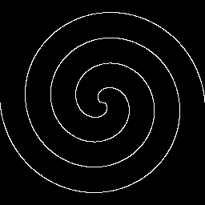



 |  | Sampling = | 25% |  |  | Sampling = 25% |  |  | Sampling = | 25%
 |  | Turns = | 2 |  |  | Alpha = 1.0 |  |  | Alpha = | 1.0
 |  | Interleafs = | 2

